Form Responses 1
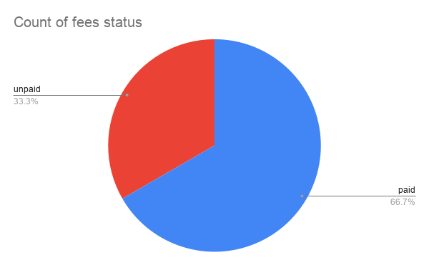
Timestamp | student name | class | Email | fees status
5/25/2026 | poonam | 2nd year | poonampoddar230520005@gmail.com | paid
5/25/2026 | Niraj | 2nd year | ggopg46@gmail.com | paid
5/25/2026 | Nikhil | 3rd year | Nikhil@gmail | unpaid
5/25/2026 | Priyanka | 3rd year | Priya@gmail.com | paid
5/25/2026 | Ravi | 4 year | Ravi@gmail.com | paid
5/25/2026 | Usha | 4 year | Usha@gmail.com | unpaid
5/25/2026 | Bobby | 1st year | Bobby@gmail.com | unpaid
5/25/2026 | Dadu | 4 year | Dadu@gmail.com | paid
5/25/2026 | Nik | 4 year | Ushadevi@gmsil.com | paid

Chart1
